GUI
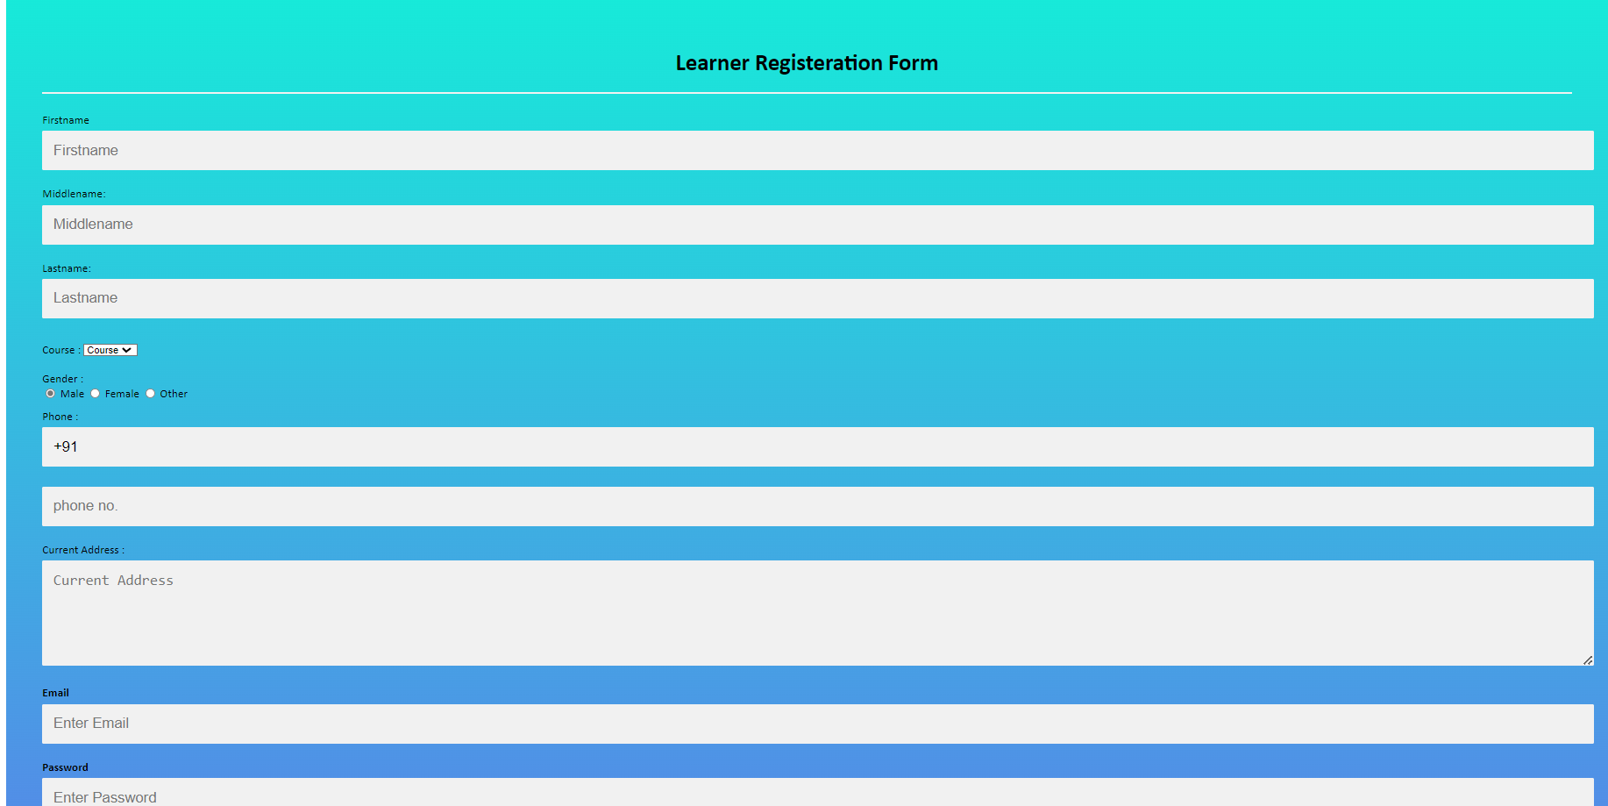
Roles and Responsibilities

21CE144 - PARAM THUMAR
21CE152 - DHRUV VEKARIYA

 |  | 21CE152-Dhruv Vekariya learner login page

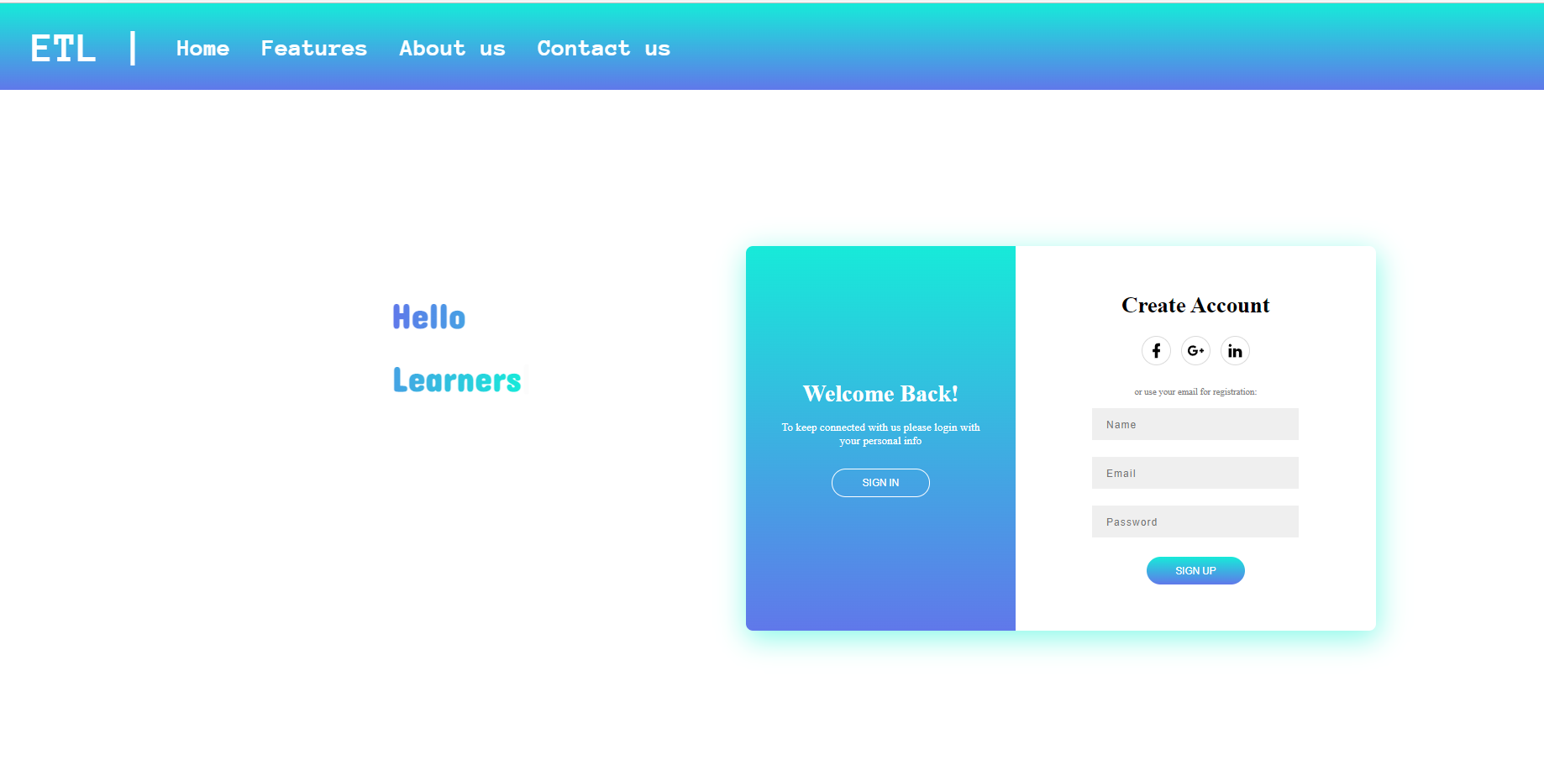

 |  | 21CE152-Dhruv Vekariya Experts login page
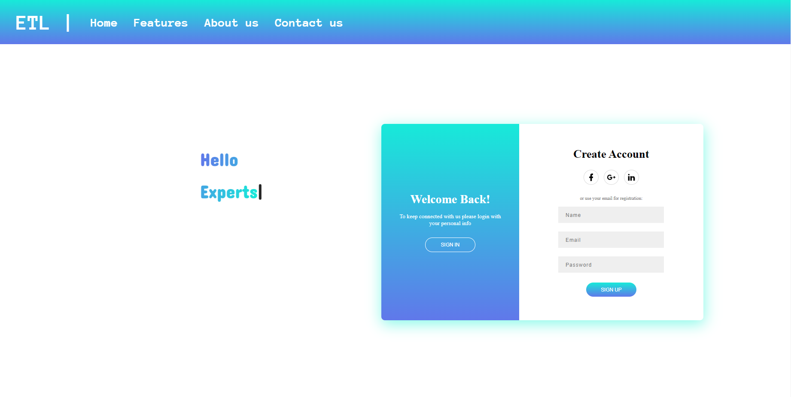

 |  | 21CE144 - Param Thumar,21CE152-Dhruv Vekariya Login form

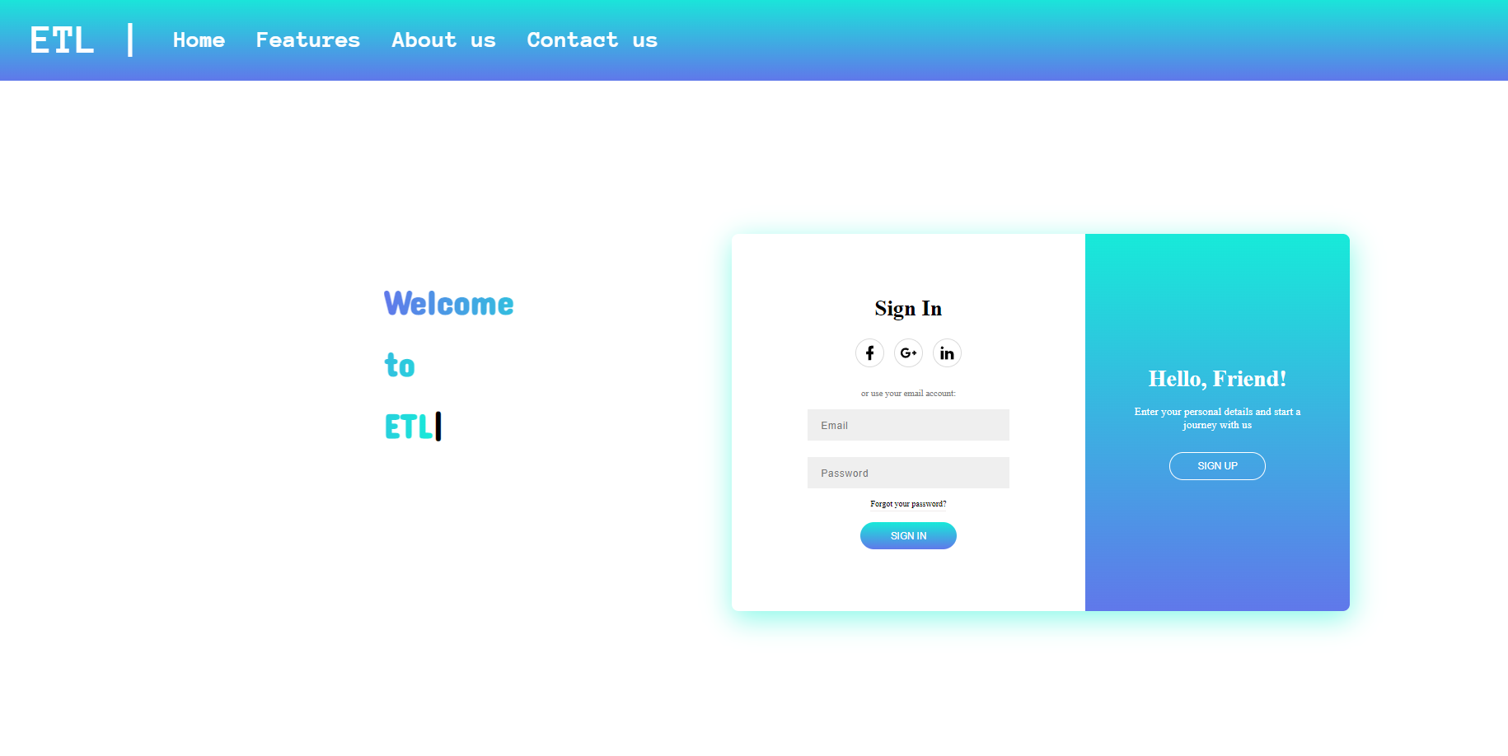

 | 21CE152- Dhruv Vekariya Home Page



 | 21CE152- Dhruv Vekariya Contact us Page

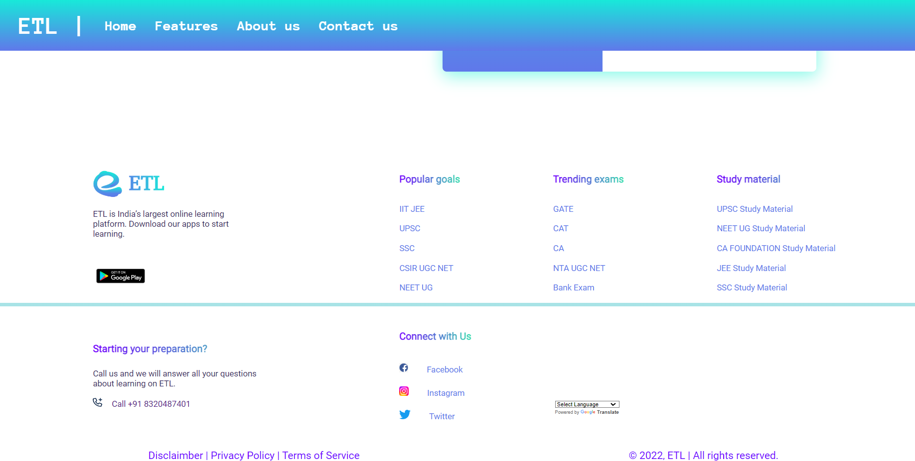

 |  | 21CE144-Param thumar experts profile page

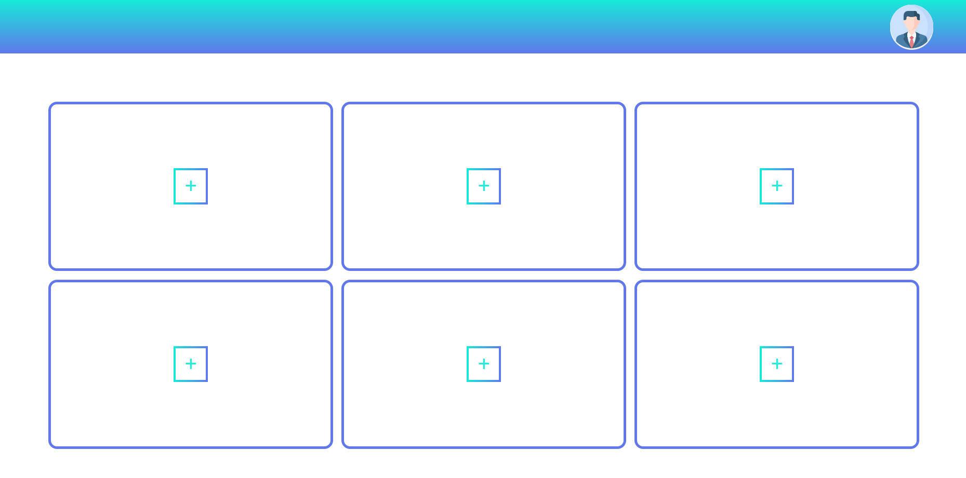

 |  | 21CE144-Param thumar learner profile page

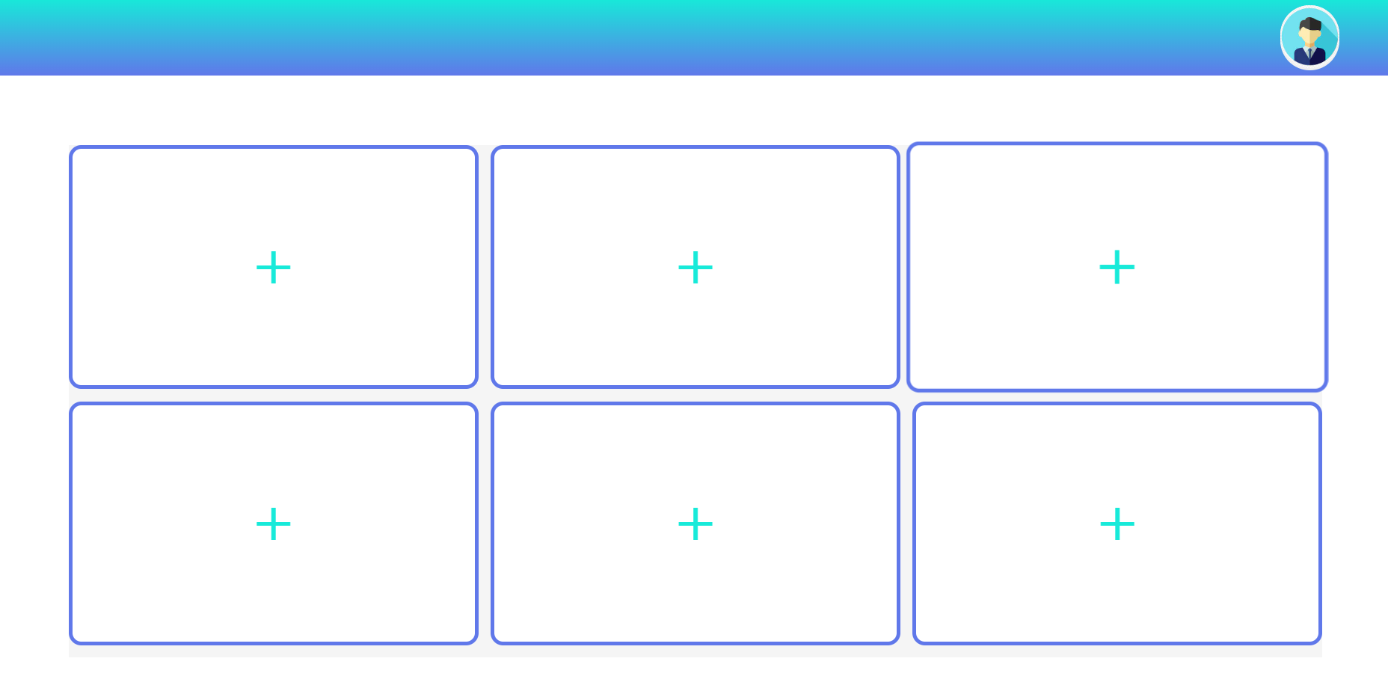

 |  | 21CE144-Param thumar experts register page



 |  |  | 21CE144-Param thumar learner register page

 |  | 21CE144-Param thumar experts register page

